Table 1
 |  |  |  |  |  |  |  |  | Verification of acceptance by |  |  |  |  | Remarks / record (eg. test frequency, reports, certificates, checklist etc)
 |  |  |  |  |  |  |  |  | HPP Con |  | HPP QA
Item no. | Activity |  | Ref docs | Acceptance criteria |  |  |  | Acceptance | Key | Sign date | Key | Sign date
1.1 | Documentation |  | Issued drawings / Site copy drawings | Check that you have the latest site and engineering drawings BEFORE starting each task/set of tasks. |  |  |  | ☐ Yes ☐ No ☐ N/A | S |  | S
1.2 | Lot Traceability |  | Spec. 0161 Quality [Cl 7.3] | Prepare a lot map for traceability of the work area. |  |  |  | ☐ Yes ☐ No ☐ N/A | S |  | S
1.3 | Set out |  | Drawings | Setout structure to the location and levels on the drawings. This shall be presented for inspection by the superintendent. |  |  |  | ☐ Yes ☐ No ☐ N/A | S |  | S
1.4 | Underlying Lot Conformance |  | Underlying Lot ITP | Underlying services and/or assets have been installed prior to commencing works over and/or above. Refer underlying lot ITP(s) |  |  |  | ☐ Yes ☐ No ☐ N/A | S |  | S
1.5 | Site Checklist(s) |  |  | Have Site checklist(s) been signed and uploaded? |  |  |  | ☐ Yes ☐ No ☐ N/A | S |  | S |  |  | ☐ Site Checklist(S)
2.1 | Excavation |  |  | Excavate to the depth nominated on the drawings and remove any loose material at the base. Ensure excavation is carried out to a width which will not impede external formwork. |  |  |  | ☐ Yes ☐ No ☐ N/A | S |  | S
2.2 | Unsuitable Material |  | Spec. 1112 Earthwork s [Cl 4.6] | Any Unsuitable Material to be removed to the depth as directed by the Superintendent HOLD POINT |  |  |  | ☐ Yes ☐ No ☐ N/A | H |  | H
2.3 | Compaction - Foundation |  | Spec. 1112 Earthwork s [Cl 4.7, 4.13] Spec 0161 [CL 7.2] | Foundation (including any unsuitable replacement) to be compacted to a relative compaction of 97% modified to a depth of 200mm below foundation level Test Frequency = 1 per 500m2 |  |  |  | ☐ Yes ☐ No ☐ N/A | S |  | S |  |  | ☐ Test reports
2.4 | Foundation Inspection |  | Spec. 1112 Earthwork s [4.7] | Foundation to be inspected by the Superintendent prior to placing blinding HOLD POINT |  |  |  | ☐ Yes ☐ No ☐ N/A | H |  | H
2.5 | Blinding |  | Spec. 1354 Stormwate r Drainage Structures [Cl 3.6] | Blinding (N15) for Reinforced Concrete Bases to be a 100mm thick mass concrete layer or as otherwise shown on the drawings. Unreinforced bases can be poured directly on the earth |  |  |  | ☐ Yes ☐ No ☐ N/A | S |  | S
2.6 | Mating Concrete Surface Preparation |  | Spec. 0002 [CL 3.9] | Construction joints prepared and free of loose material Dowelled joints prepared and bond breaker applied for expansion joints if applicable |  |  |  | ☐ Yes ☐ No ☐ N/A | S |  | S
3.1 | Formwork |  | Spec. 0002 Concrete supply, constructio n, and grouting [Cl 4.0] Drawings | Formwork installed as per drawings and adequately supported. Completed formwork to be inspected by the Superintendent prior to concrete placement Formwork engineers inspection certificate complete and received Survey report to be received prior to ordering concrete. HOLD POINT Before Placing Concrete |  |  |  | ☐ Yes ☐ No ☐ N/A | H |  | H |  |  | ☐ Pre-pour inspection
3.2 | Steel reinforcement |  | Spec. 0002 Concrete supply, constructio n, and grouting [Cl 5.0] Drawings | Reinforcement installed as per drawings, ensuring sufficient lap length and cover is achieved on all bars. Inspection per layer installed. Concrete pre-pour inspection complete. HOLD POINT Before Placing Concrete |  |  |  | ☐ Yes ☐ No ☐ N/A | H |  | H |  |  | ☐ Pre-pour inspection
3.3 | Reinforcement Splice Lengths |  | Spec. 0002 Concrete supply, constructio n, and grouting [Cl 5.7] | 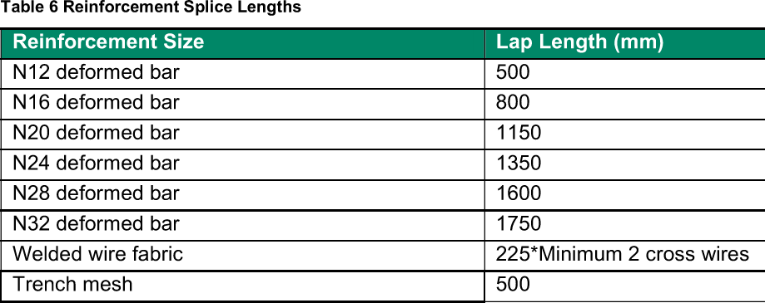 Where splicing of reinforcement is not shown on drawings min. lap lengths shown below shall be adopted. (SPT-0002 Table 6) |  |  |  | ☐ Yes ☐ No ☐ N/A | S |  | S
3.4 | Pit & Pipe Connections |  | Spec. 1354 Stormwate r Drainage Structures [Cl 3.3] Spec. 0002 Concrete supply, constructio n, and grouting [Cl 2.6] Drawings | Inlet and outlet pipes to be integrally cast into foundation/pit walls and the joint waterproofed as per design requirements. Embedded pipes to be adequately restrained against flotation HOLD POINT |  |  |  | ☐ Yes ☐ No ☐ N/A | H |  | W |  |  | ITP for associated pit/pipe reviewed for conformance
3.5 | Installation of Core Holes, Voids, HD Bolts and Embedments |  | Spec. 0002 Concrete supply, constructio n, and grouting [CL 2.6, 7.1, 7.2, 7.3] | Firmly Fixed in position in all directions Reinforcement displaced where necessary, bars requiring cutting approved by superintendent Integrity of surface treatments maintained (galvanising, painting etc) Threads covered |  |  |  | ☐ Yes ☐ No ☐ N/A | S |  | S
3.6 | Tolerances of Core Holes, HD Bolts and Embedments |  | Spec. 0002 Concrete supply, constructio n, and grouting [CL 2.6, 7.1, 7.2, 7.3] | HD bolts positioned using a template. Tolerance for HD bolts as per CL 7.2 (see below table) |  |  |  | ☐ Yes ☒ No ☐ N/A | H |  | W |  |  | ☐ Pre-pour inspection and Survey Records Inc MHI Check Sheet for GT & GTG Anchor Bolt Setting CG-64294
 |  |  |  |  | Condition Tolerance
 |  |  |  |  | Any 2 bolts within a group |  | ± 3mm Centre to Centre
 |  |  |  |  | Adjacent HD bolt groups |  | ± 6mm Centre to Centre
 |  |  |  |  | Bolt Projections – From concrete level |  | + 5mm, -0mm
 |  |  |  |  | Embedded steel finishing flush with surface |  | ± 3mm from surface
 |  |  |  |  | Bolt reduced level |  | + 5mm, -0mm
 |  |  |  |  | Verticality of any bolt |  | 1:300
 |  |  |  |  | Maximum accumulation of 6 mm per 30,000mm along an established column line of multiple HD bolt groups, but not to exceed a total of 25 mm.
 |  |  |  |  | 6 mm from the centre of any HD bolt group to the established column line through that group.
 |  |  |  | *Before pouring concrete of the GT & GEN foundation, MPW TA will check the setting condition of GT & GEN anchor bolt. Witness Point as per MHI ITP. Tolerances for other embedded fabricated items in line with AS 3990 or AS4100 as applicable. Pre-pour survey performed and recorded to verify location HOLD POINT
3.7 | Earthing for Concrete Structures |  | Drawings Spec. 0002 Concrete supply, constructio n, and grouting [CL 2.6] | Earthing installed for concrete structures as per provided Drawings HOLD POINT |  |  |  | ☐ Yes ☐ No ☐ N/A | H |  | W |  |  | ☐ UGL Earthing FIC
3.8 | Concrete Mix and properties |  |  | Concrete compressive strength required (28 days) = MPA Approved Concrete mix ID = Slump = mm |  |  |  | ☐ Yes ☐ No ☐ N/A | S |  | S |  |  | ☐ Material dockets ☐Concrete pour records
3.9a | Concrete Supply Temperature - GT Foundation Only |  | Spec. 0002 Concrete supply, constructio n, and grouting [Cl 8.1.2] Thermal Analysis Report | Temperature of concrete at the time of placement must be minimum 10°C and maximum 25°C. Ambient air temperature at the time of placement must be between 5oC and 30oC. |  |  |  |  | S |  | S |  |  | ☐ Material dockets ☐Concrete pour records
3.9b | Concrete Supply Temperature – Other foundations |  | Spec. 0002 Concrete supply, constructio n, and grouting [Cl 8.1.2] | Temperature of concrete at the time of placement must be minimum 10°C and maximum 30°C. Ambient air temperature at the time of placement must be between 5oC and 32oC. If ambient temperature is between 32oC and 38oC, seek approval from superintendent to proceed by taking special precautions noted in the specification. |  |  |  |  | S |  | S |  |  | ☐ Material dockets ☐Concrete pour records
3.10 | Concrete Placement |  | Spec. 0002 Concrete supply, constructio n, and grouting [Cl 8.1.4] | Ensure elapsed time between batching and discharge of the mix does not exceed 1.5 hours. Concrete placed in layers ≤ 300mm thick and adequately vibrated avoiding over-vibration. Concrete thoroughly compacted – one internal vibrator per 10m3 concrete placed per hour |  |  |  |  | S |  | S |  |  | ☐ Material dockets ☐Concrete pour records
3.11 | Concrete Slump Testing |  |  | 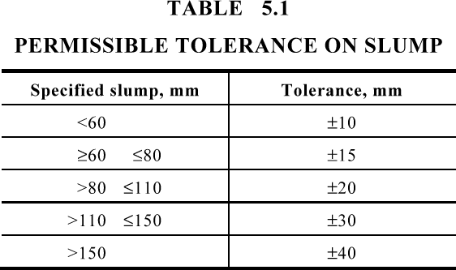 Slump Test - One per batch of concrete Slump within tolerances specified in AS 1379 Testing to be executed by a NATA accredited test facility |  |  |  | ☐ Yes ☐ No ☐ N/A | S |  | S |  |  | ☐ Concrete pour record
3.12 | Concrete Compressive Strength Testing |  | Drawings | Compressive Strength Testing - 2 x 7day and 2 x 28day per 50m3 Testing to be executed by a NATA accredited test facility |  |  |  | ☐ Yes ☐ No ☐ N/A | S |  | S |  |  | ☐ Concrete pour record
3.13 | Surface finish |  | Spec. 0319 Minor Concrete Works [Cl 4.2] Drawings | Concrete surfaces shall be true and even, free from honeycombed surface depressions or rejections. Formed surfaces conform with surface finish requirements of AS3610 for the surface class nominated. WITNESS POINT 1 day prior |  |  |  | ☐ Yes ☐ No ☐ N/A | W |  | W
3.14 | Surface Treatments |  |  | Any surface treatments to be applied are approved for use and appropriate dose rates have been determined |  |  |  | ☐ Yes ☐ No ☐ N/A | S |  | S
3.15 | Joints |  | As per drawings | As per design drawings. Sawn joints to commence as soon as the concrete has hardened sufficiently. |  |  |  | ☐ Yes ☐ No ☐ N/A | S |  | S
3.16 | Curing |  | Spec. 0319 Minor Concrete Works [Cl 4.13] | From completion of finishing cure continuously with an approved method for a min period of 7 days or as directed by the Superintendent. a. Ordinary Portland cement concrete – 7 days b. High early strength concrete – 3 days c. Concrete with cement or pozzolan materials – 10 days |  |  |  | ☐ Yes ☐ No ☐ N/A | S |  | S
3.17 | Stripping of formwork |  | Spec. 0002 Concrete supply, constructio n, and grouting [Cl 4.4.5] | 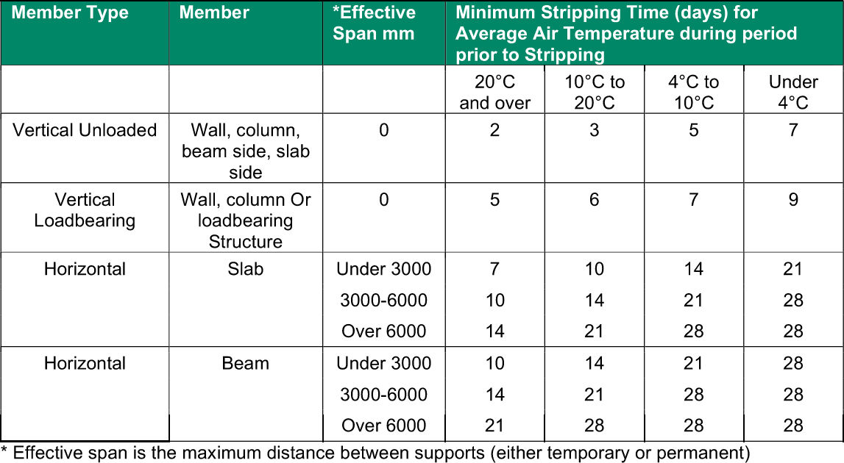 |  |  |  | ☐ Yes ☐ No ☐ N/A | S |  | S
3.18 | Concrete Repair (If required) |  | Spec. 0002 Concrete supply, constructio n, and grouting [Cl 8.7] | Defective concrete shall be repaired or replaced. The materials and techniques of repair shall be examined and approved by the Superintendent prior to the commencement of repairs. |  |  |  | ☐ Yes ☐ No ☐ N/A | H |  | H |  |  | ☐ Grout Placement Checklist ☐ Approved Aconex Corro for Repair Methodology
4.0 Backfill and Compaction
4.1 | Structure Backfill | Spec. 1112 Earthworks [Cl 4.10] |  | Backfill to be Select fill for material within 1.5m of pavement and General Fill below 1.5m deep. Placed in layers of maximum compacted thickness of 150mm Select backfill material to be a granular material with a maximum particle size of 50mm and a PI between 2 & 12 |  |  |  | ☐ Yes ☐ No ☐ N/A | S |  | S |  |  |  | S | ☐ Material Test Report
4.2 | Compaction - Backfill | Spec. 1112 Earthworks [Cl 4.13] |  | Minimum relative compaction requirements for backfill against structures to be: - 92% for general fill - 97% for select fill Test Frequency = 1 per layer |  |  |  | ☐ Yes ☐ No ☐ N/A | S |  | S |  |  |  | S | ☐ Test reports
4.3 | Moisture Content | Spec. 1112 Earthworks [Cl 4.13 & 7.1] |  | Moisture Content for Backfill material to be within 60% to 90% OMC unless otherwise approved by Superintendent |  |  |  | ☐ Yes ☐ No ☐ N/A | S |  | S |  |  |  | S | ☐ Test reports
5.0 Conformance check
5.1 | Survey Report | Spec. 0161 Quality [Cl 3.13] AS3610 |  | An as-built survey of the structure has been completed to ensure all structures are within the following construction tolerances: • Absolute position in plan shall be within 10 mm. • Floor to floor plumb shall not exceed 0.002 times the dimension between the floors or 10 mm whichever is the greater. • Deviation from the specified dimension shall not exceed 0.001 times the specified dimension or 5mm, whichever is the greater. |  |  |  | ☐ Yes ☐ No ☐ N/A | H |  | H |  |  |  | W | ☐ Survey report
5.2 | Concrete Test Results | Spec. 0002 [Cl 8.2] |  | Certificates received, reviewed and conforming to requirements for each pour. |  |  |  | ☐ Yes ☐ No ☐ N/A | S |  | S |  |  |  | S | ☐ Test reports
5.3 | Acceptance and closure of non- conforming items | Spec. 0161 Quality [Cl 3.8] |  | NCRs to be opened for non-conforming items and closed prior to closing construction lot. HOLD POINT |  |  |  | ☐ Yes ☐ No ☐ N/A | H |  | H |  |  |  | H

Acceptance of works:
HPP Construction representative name |  |  |  |  |  | HPP Construction representative signature |  |  |  |  |  |  | Date
HPP Quality representative name |  |  |  |  |  | HPP Quality representative signature |  |  |  |  |  |  | Date

